Hotel
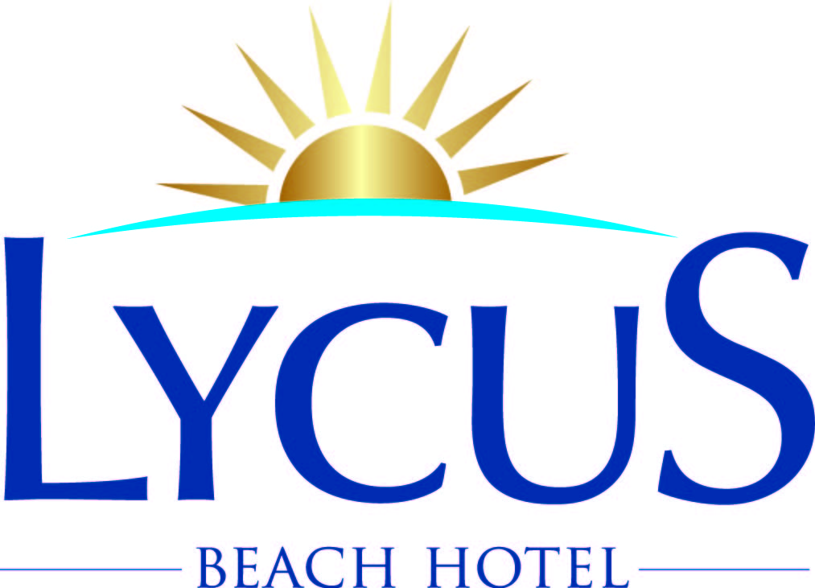
Hotel Data Sheet: Summer 2024 |  | Last update: 01.09.2023
Hotel: | LYCUS BEACH HOTEL
Official Post Address: | Lycus Beach Hotel Karaburun Mevkii Okurcalar Alanya / Antalya/ Türkiye
Phone: | 0090 242 527 54 90
Fax: | 0090 242 527 55 31
Web site and E-Mail: | www.lycusbeach.com | metincelik@lycusbeach.com (Direct inquiries)
Date of inauguration: | 2008-05-09
Last big Renovation: | 2009 and 2013
Official Category:
Min. & Max. Number of Floors: | 6 Floors
Type of Construction: | One Bulding
Open: | All around the year
Languages: | English, German, Russian. Multilingual speaking staff at the reception desk and in the animation team

Location | Price | Comments
Airport: |  | 90 km to the Antalya airport
Taxi Costs to the airport: | Taxi to the airport costs 100 EUR
Next Town: |  | 5 km to Avsallar
Taxi Costs to next Town: | Taxi to Avsallar costs 15 EUR
Hotelbus/-shuttle: | No
Next Busstop: | 200 m
Bus to Town: | 2 EUR per person | Bus to Avsallar goes every 15 min
Next Beach: |  | 100 m to Saphir SPA Resort Hotel, 100 m to Gardenia Beach Hotel
Type & Size of next Beach: |  | 100 * 50 m. Thick sand
Next Hospital: |  | 30 km to hospital in Alanya
Next Pharmacy: |  | 200 m
Next Supermarket: |  | One small grocery store is located in the hotel, various supermarkets in town (400 m)

Animation & Entertainment | Price | Comments | Provider
Alternating light activities during the day and evenings | included | Daily and night animation shows | Hotel animation team
Indoor / Outdoor theatre | included | In the hotel's garden | Hotel animation team
Disco | Drinks are extra | open at 23.00 - close 02:00 | Hotel animation team
Casino

Sports & Wellness | Price | Comments | Provider
Hard surface tennis courts | 10 EUR for floodlight at night | In the day-time free of charge | Hotel animation team
Tennis lesson | No | Rackets and balls without charge | Hotel animation team
Volleyball | included | Beach Volleyball 2 times a day | Hotel animation team
Aerobic | included | In the day-time | Hotel animation team
Aqua Gymnastics | included | In the day-time | Hotel animation team
Table Tennis | included | In the day-time | Hotel animation team
Darts | included | In the day-time | Hotel animation team
Bicycle / quad bike | No
Billiard | No
Boccia | included | 2 times a day | Hotel animation team
Shuffleboard | included | In the day-time | Hotel animation team
Wellness Area with Sauna, Jacuzzi |  | Sauna, Turkish Bath, Jacuzzi are free of charge | Hotel SPA center
Massage | Extra charge example price 20 EUR | Some packages have discounts | Hotel SPA center
Bike Rental | No
Water Sports Center | Yes | All Water Sports are extra charged | Water Sports on the beach
Scuba Diving Center | Yes | All Water Sports are extra charged | Water Sports on the beach
Golf Course | No
Car Rental | Yes | Outdoor rent a car company | Hotel reception

Facilities for children | Miniclub ”Kids World” (4 – 12 years) with Children Animation (minimum age 4 years; during school holidays 10:00am - 05:00pm)
 | Baby cots free of charge
 | English,Russian, French and German speaking animation staff

Hotel Facilities | Number if available | Comments | Included or against charge
Lifts | 3 | Each lift max capacity is 8 persons
Conference room | 2 | 50 persons each conference room
Outdoor pool | 1 | with children area
Salt water pool | No
Indoor pool | 1 | Pool is heatable during the winter months
Children’s pool | 1
Sun terrace
Poolside parasols | Yes | Free of charge
Sun beds at the pool | Yes | Free of charge
Pool/Beach towels | Yes | € 10.- Deposit
Mattresses for sunbeds on the pool | Yes | Free of charge
Parasols on the beach | Yes | Free of charge
Sunbeds on the beach | Yes | Free of charge
Hairdresser | Yes | in the hotel shopping center extra charge
Lounge with television | 1 | TV room
Library | 1 | in the lobby
Safe case | Yes | in the lobby near the reception. Free of charge
Shopping area | Yes | in the hotel extra charge
Internet Service | Yes | Wireless (free of charge in everywhere),
Laundry Service | Yes | Extra charge
Room service | Yes | Extra charge

Access for handicapped guests | All outlets/areas reachable with wheel chair (restaurant, swimming pool etc.) |  | Comments

Please use this field for individual offer in sports & Wellness or/and hotel facilities

Medical provision | Doctor available on call for emergencies (extra charge)

Methods of payment in the hotel | Credit cards: VISA, Euro-/Mastercard

Money | EUR,USD,TL

F&B | All inclusive

”All Inclusive” includes a wide selection of national drinks like soft drinks, juices, beer, cocktails, coffee, tea, liqueurs, spirits and house wine by the glass from 10:00am - 24:00pm.

Restaurants – Catering | Opening hours | Location & Comments | Included or against charge
Breakfast | 07:30 - 10:00 | Main Restaurant | Included
Late Breakfast | 10:00 - 11:00 | Main Restaurant | Included
Lunch | 12:00 - 14:00 | Main Restaurant | Included
Gözleme | 11:00 - 16:00 | near the outdoor theatre | Included
Dinner | 19:00 - 21:00 | Main Restaurant | Included
Restaurant A' La Carte (Orkinos and Ottoman) | 19:00 - 21:00 | A'La Cart Restaurants | Included (2 time during holiday)
Night Soup | 23:00 - 24:00 | Main Restaurant | Included
Snack Bar | 11:00 - 16:00 | Snack Bar | Included
Coffe & Cake | 16:30 - 17:00 | Snack Bar | Included
Bars – Beverage
Pool Bar | 10:00 - 24:00 | In the hotel's garden | Up 24:00 o'clock extra charged
Snack Bar | 11:00 - 16:00 | In the hotel's garden
Lobby Bar | 10:00 - 24:00 | ın the Hotel lobby | Up 24:00 o'clock extra charged
Lycus Pub | 10:00 - 24:00 | in the Hotel loby( in this room runs the air conditioning continuously) | And also coffe and cake from 10:00 until 17:00
Beach Bar | 10:00 - 17:00 | in the garden near the beach
International bar (against charge) | no
Disco | 23:00 - 02:00 | İn the Hotel disco | extra charged

